1. Title Page
Instacart Basket Analysis

Project Name: Instacart Grocery Basket Analysis
Date: June 30, 2024
Analyst Name: Lourdes Ortega

Contents:
Population Flow
Consistency checks
Wrangling steps
Column derivations
Visualizations
Recommendations

Data Sets:
CareerFoundry Customer Data Set
Data Dictionary

Citation: “The Instacart Online Grocery Shopping Dataset 2017”, Accessed from https://www.kaggle.com/datasets/psparks/instacart-market-basket-analysis via Kaggle on May 2024.

2. Population Flow
 | Title page

Population flow

Exclusion flag
Condition: max_order < 5
Obervations to be removed:
Final total count of order_products_all: 32, 404, 859

Orders_products_co
mbined
Orders_products_merged
Orders_products_all

Total: 32,404,859
Total: 32,640,698
Total:
32, 404, 859

1.) The grey boxes in the first row of the population flow represent the original data sets as they were when you downloaded them. In the Total fields you need to add the count of the rows when you imported the data set into Jupyter.
2.) The second row of boxes (coloured) represents the data sets after you manipulated them, e.g., removed missing values and duplicates. In the Total fields you need to add the count of the rows after conducting these operations. This offers a visual oveview of how the data flows throughout the data consistency checks.
3.) The third row, where also the arrows are coloured, represents the merges you performed between the datasets. In the Total fields you need to add the count of the rows in the merged datasets, so that you end up with the final dataset (in the red box). Keep in mind the final dataset should be without exclusions (based on the exclusion flag).

3. Consistency checks
 |  |  |  | Title page
Consistency checks

Dataset | Missing values | Missing values treatment | Duplicates
orders | 206, 209 days_since_last_order | Addressing Missing Values Method 1: create new variable that acts like a flag based on missing value Method 2: impute value with mean or median of the column Method 3: remove or filter out the missing data | N/A
products | N/A |  | N/A
orders_products_prior | NA |  | N/A
customers | N/A |  | N/A
orders_products_all | N/A |  | N/A
 |  |  | N/A

4. Wrangling steps
 |  |  |  | Title page
Wrangling steps

Columns dropped | Columns renamed | Columns' type changed | Comment/Reason
 | days_since_prior_order | days_since_last_order to float 16 | makes sense and memory
 | order_dow | orders_day_of_week to int8 | makes sense
 | order_id | dtype to Str | consistency
 | department_id | transpose row to column | consistency
 | Gender | gender | consistency
 | STATE | state | consistency
 | department | new header | consistency
 | Age | age | consistency
 | N_dependants | number_of_dependents | spelling
Unnamed:0.1 |  |  | consistency
Unnamed:0 |  |  | consistency
First Name |  |  | PII
Surnam/ last_name |  |  | PII
0 |  |  | not needed
eval_set |  |  | not needed

 |  | department_id to int32 | memory
 |  | order_id to int32 | memory
 |  | user_id to int32 | merge with ords_prods_merge data
 |  | order_number to int8 | memory
 |  | order_hour_of_day to int8 | memory

5. Column derivations
 |  |  |  | Title page

Column derivations and aggregations

Dataset | New column | Column/s it was derived from | Conditions
ords_prods_merge | busiest days
 | slowest days
 | busiest_period_of_day
 | order_number (mean/min/max) | department_id
 | loyalty flag | max_order, user_id, order_number
 | average spending | user_id, prices
 | spending_flag | user_id, prices
 | frequency_flag | user_id, days_since_last_order
ords_prods_all | region | state | creating regional list
 | profile | age, number_of_dependents
 | income_profile | income
 | combined_profile | profile, income_profile, orders_profile
 | exclusion flag | max_order
 | orders_profile | orders_day_of_week

6. Visualizations
 |  |  |  | Title page

Visualisations

In this tab you should include all the visualtions from Exercises 4.9 and 4.10, alongside the questions from the project brief that they answer. Include any commentary on the relationship between different variables.

Exercise and Task 4.9 visualizations
Histogram for Order_hour_of_day | Bar chart from the loyalty_flag column | Bar chart ords_prods_merge | Histogram ords_prods_merge
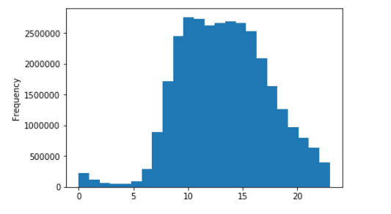
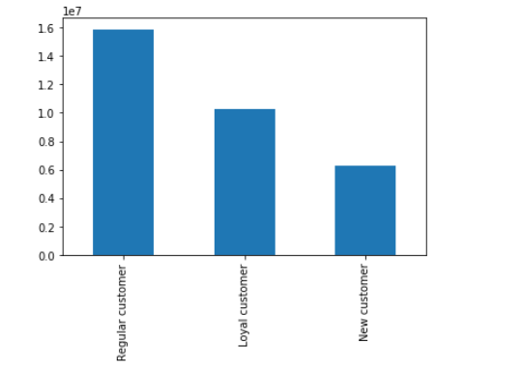
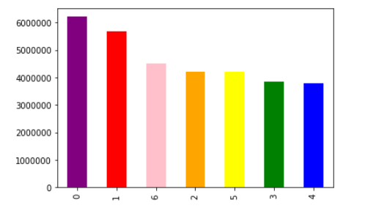
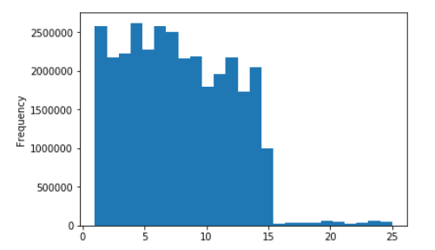

The histogram shows the order_hour_of_day column from the ords_prods_customers dataset, visualized using 24 bins to illustrate the 24hrs in a day. The histogram shows the distribution of orders throughout the day, with a noticeable peak in the morning to early afternoon hours, indicating higher order frequencies during this period. | The bar chart shows that regular customers generate the highest revenue, followed by loyal customers, with new customers generating the least revenue. | The bar chart indicates that category 0 has the highest value, while categories 1, 6, 2, 5, 3, and 4 have progressively lower values. | The histogram shows that most data points have a frequency below 15, with a sharp drop in frequency beyond that value.

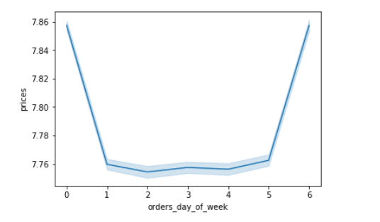
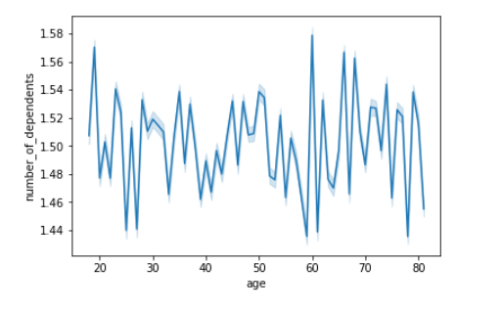
Line Chart orders_day_of_week | Line_2 Chart orders_day_of_week and prices | Scatterplot of income and age | Line chart
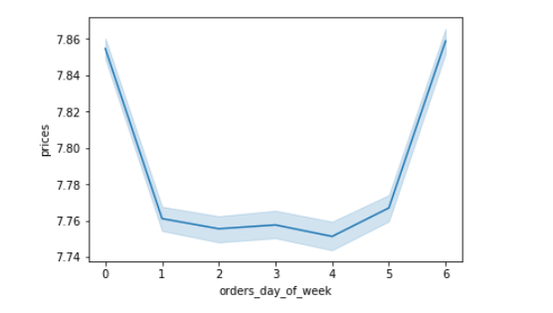
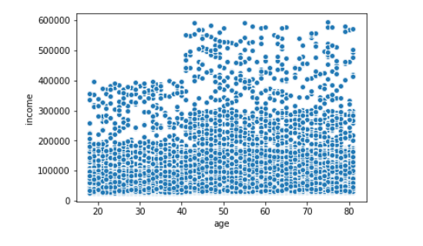

 | The line chart shows that prices are highest on the first and last days of the week, with a consistent low in the middle days. | The scatterplot shows how income levels vary across different ages. While income generally increases with age up to a certain point, there is a wide distribution of income levels at each age, with higher income variablity in older age groups. | The line chart shows how the average number of dependents changes across different age groups. The chart reveals many fluctuations in the number of dependents at each age, which may indicate that there isn't a consistent patter or trend as age increases.
The line chart indicates that prices are highest on the first and last days of the week, with a noticeable dip in the middle of the week.

Exercise and Task 4.10 visualizations

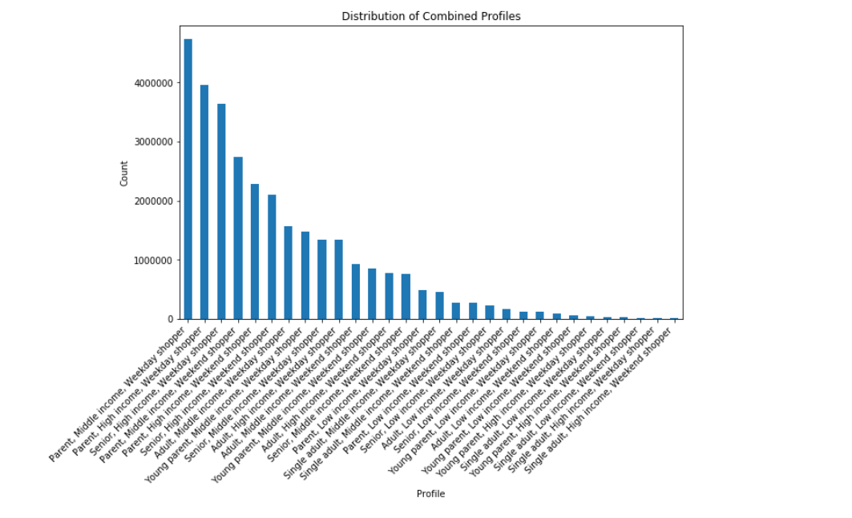
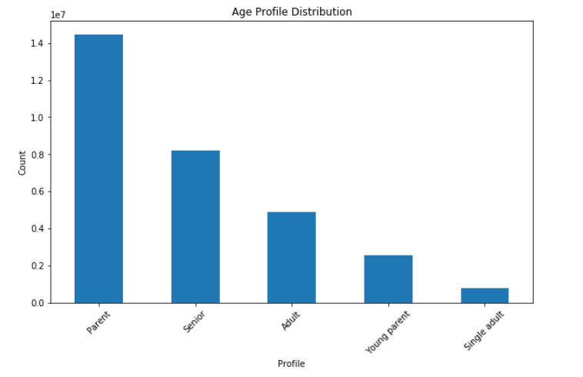

The bar chart displays the distribution of various combined profiles, with the "Parent, Middle Income, Weekday Shopper" being the most common profile. The counts for each profile decrease steadily, with the least common profiles being "Single Adult, High Income, Weekend Shopper" and similar combinations. Overall, the chart highlights a wide range of profiles, with a notable concentration in certain middle-income and parent categories. |  | The bar chart shows that parents represent the largest age profile group, followed by seniors and adults. Young parents and single adults are the smallest groups, indicating a lower representation in the age profile distribution.

Bar Chart of income_profile |  | Bar Charts of mean customer frequency and days_since_last_order
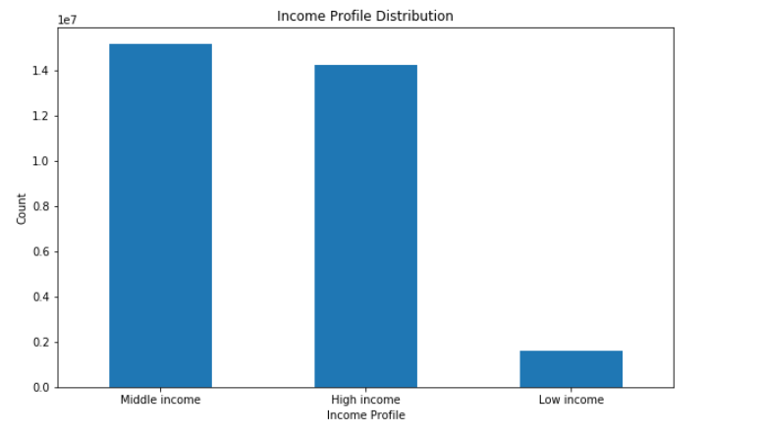
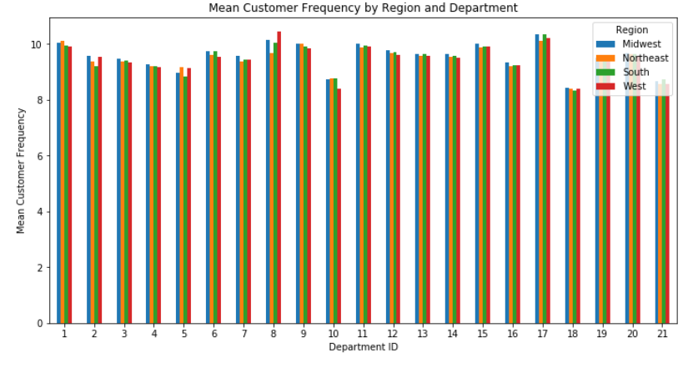
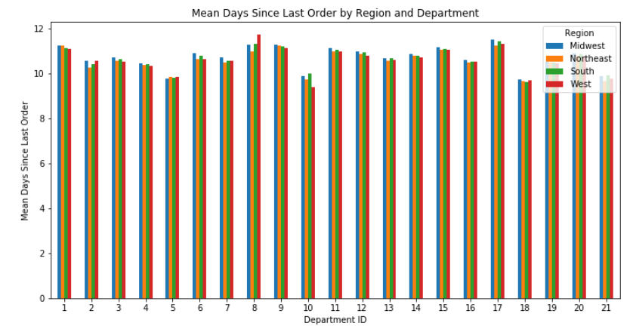

The bar chart shows that the middle-income and high-income groups have a similar and significantly higher count compared to the low-income group. The low-income group has a much smaller count, indicating a less prevalent representation in the income profile distribution. |  | These two plots provide complementary insights. The first plot provides the recency of customer engagements, while the second plot the frequency of customer engagements. Analyzing both together give a comprehensive view of customer behavior by region and department.

Customer Frequency Heatmap | Stacked Bar Chart of Regional Distribution of Customer Income
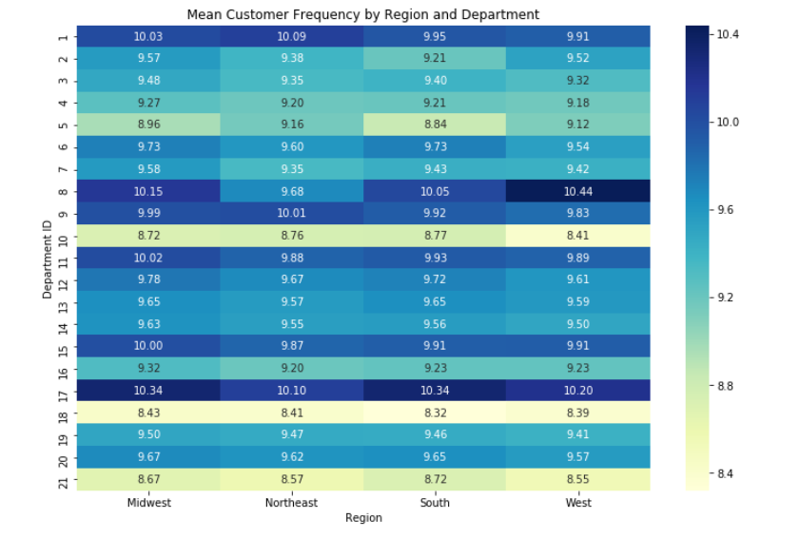
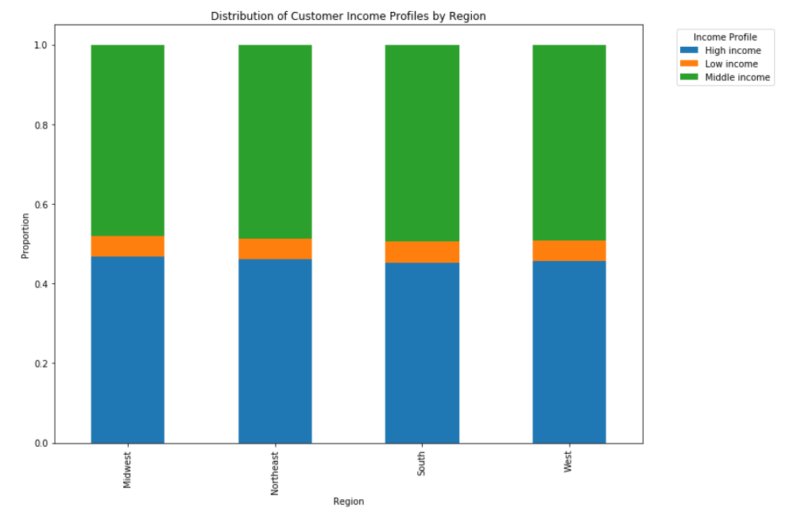

The heatmap shows the mean customer frequency for each department and region, with color intensity representing the frequency values.It illustrates that the mean customer frequency is relatively consistent across different regions and departments, with slight variations. Notably, departments such as "frozen" (ID 1) and "produce" (ID 4) show higher mean customer frequencies across most regions, indicating higher engagement levels in these departments. | The stacked bar chart illustrates the distribution of customer income profiles across different regions. It shows that the proportion of high, middle, and low-income profiles is fairly consistent across the Midwest, Northeast, South, and West regions, with middle-income profiles being the most prevalent, followed by high-income and then low-income profiles.

7. Recommendations
 |  | Title page

Recommendations

In this tab you should include any recommendations you would made to Instcart in terms of their marketing strategy based on the questions posed in the brief. Every key question has been covered in the Tasks of the Exercises - here you need to add an item - a visualisation or table/crosstable that is showing the answer in the data, acompanied by a comment from you. Please, list the questions below and add the answer underneath.

Question | Answer
The sales team needs to know what the busiest days of the week and hours of the day are (i.e., the days and times with the most orders) in order to schedule ads at times when there are fewer orders. | Based on the visuals provided, the busiest days of the week are the first and last days, as prices peak on these days, indicating higher order volumes. The sales team should schedule ads during the middle days of the week when order volumes and prices are lower.
They also want to know whether there are particular times of the day when people spend the most money, as this might inform the type of products they advertise at these times. | Based on analysis done in task 4.4, the busiest hours for placing orders are between 10 AM and 3 PM, with 10 AM being the peak hour. The "produce" department (department_id 4) is a significant category during these peak times. Customer's behavior shows they typically place orders around 10 AM, indicating this period might be ideal for advertising higher-priced or essential products like produce.
Instacart has a lot of products with different price tags. Marketing and sales want to use simpler price range groupings to help direct their efforts. | Grouping products by price ranges can help identify trends and target specific customer segments more effectively. For instance, higher-priced products might be promoted on the busiest days when spending is higher, while mid to lower-priced products could be advertised on less busy days to stimulate sales.
Are there certain types of products that are more popular than others? The marketing and sales teams want to know which departments have the highest frequency of product orders. | The heatmap shows that departments such as frozen and produce show highter mean customer frequencies across most regions, indicating higher engagement levels in these departments. However, we would further need to analyze the order data segmented by product categories. This analysis will reveal which types of products are more popular and can help the marketing and sales teams focus their efforts on promoting the most frequently ordered departments.
The marketing and sales teams are particularly interested in the different types of customers in their system and how their ordering behaviors differ. For example: ○ What’s the distribution among users in regards to their brand loyalty (i.e., how often do they return to Instacart)? | From the visuals, we can infer that regular customers (those who return often) generate the highest revenue, followed by loyal customers, with new customers generating the least revenue. This distribution suggests that most users are regular customers, indicating strong brand loyalty, while a smaller proportion consists of new customers, highlighting the importance of retaining loyal customers to maintain high revenue levels.
○ Are there differences in ordering habits based on a customer’s loyalty status? | Regular customers have the highest overall revenue, suggesting they order more frequently or in larger quantities compared to loyal and new customers. Loyal customers, while ordering less than regular customers, still contribute significantly more than new customers, indicating a clear difference in ordering habits based on loyalty status.
○ Are there differences in ordering habits based on a customer’s region? | To determine if there are differences in ordering habits based on a customer’s region, we would need to analyze regional sales data to identify any variations in purchasing behavior. However, there are differences in ordering habits based on a customer’s region as shown in the heatmap. For example, Department ID 17 has a higher mean customer frequency in the Midwest and South regions, while Department ID 5 has relatively consistent frequencies across all regions. This indicates that certain departments are more popular in specific regions, reflecting regional preferences in ordering habits.
○ Is there a connection between age and family status in terms of ordering habits? | According to the the age profile distribution chart, parents have the highest count, indicating that they are the most frequent customers. Seniors follow, then adults, young parents, and single adults in descending order. This suggests that family status (being a parent) is linked to higher ordering frequency, indicating a connection between age, family status, and ordering habits. Parents, regardless of their specific age group, tend to order more frequently compared to other profiles.
○ What different classifications does the demographic information suggest? Age? Income? Certain types of goods? Family status? | The demographic information suggests classifications based on age, income, family status, and shopping behavior. Age-based categories include "Parent," "Senior," "Adult," "Young parent," and "Single adult," while income-based categories include "Middle Income," "High Income," and "Low Income." Additionally, family status is indicated by distinctions between "Parent" and "Single adult," and shopping behavior is classified into "Weekday Shopper" and "Weekend Shopper."
○ What differences can you find in ordering habits of different customer profiles? Consider the price of orders, the frequency of orders, the products customers are ordering, and anything else you can think of. | Different customer profiles exhibit distinct ordering habits in terms of order price, frequency, and product preferences. Regular customers generate the highest revenue and place more frequent, larger orders, particularly at the beginning and end of the week. Parents, especially middle-income weekday shoppers, are the most frequent customers, while young parents and single adults order less often. Regional preferences for certain departments vary, with specific departments being more popular in different regions. Loyal customers spend more overall than new customers, highlighting the importance of customer retention. These insights can help tailor marketing and sales strategies to target specific segments effectively.

